Sheet1
 | 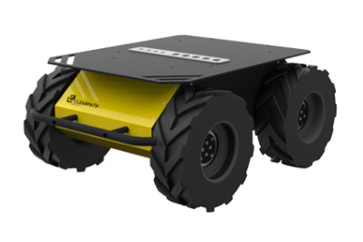 | 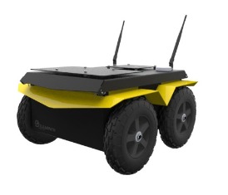 | 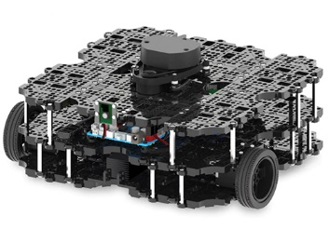 | 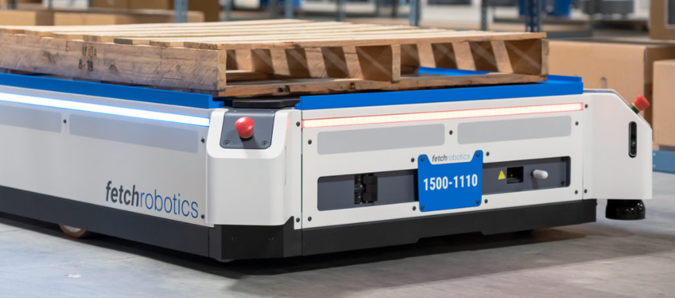 | 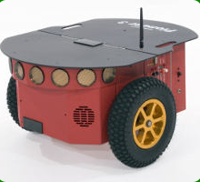 | 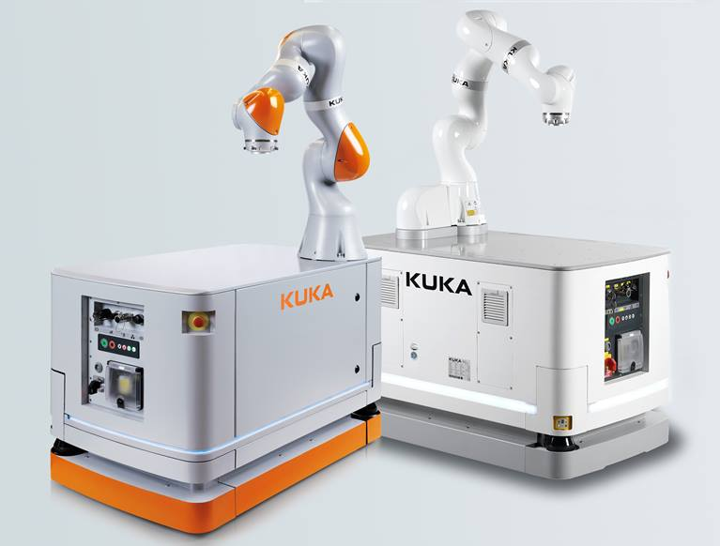
 | Clearpath Robotics' Husky Robot | Clearpath Robotics Jackal robot | TurtleBot-3 (Waffle-Pi) | Fetch Robotics' Fetch and Freight | Adept MobileRobots Pioneer 3-DX | KUKA KMR iiwa
Dimensions (L x W x H) | 991mm x 610mm x 394mm | 508mm x 430mm x 250mm | 281mm x 306mm x 141mm | 1042mm x 711mm x 1170mm | 455mm x 381mm x 237mm | 700mm x 1080mm x 630mm
Weight (kg) | 50 | 17 | 1.8 | 61 - 100 | 12.7 | 730
ROS Compatibility | YES | YES | YES | YES | YES | YES
Differential Drive | YES | YES | YES | YES | YES | YES
Number of Wheels | 4 | 4 | 2 | 2 | 2 | 4
Load Capacity (Max-kg) | 75 | 20 | 30 | 20 - 680 | 1 | 7 (moving) - 14 (stationary)
Run Time (h) | 3-8 | 2-8 | 2 | 8 | 8-10 | 8
Charge Time (h) | 4 | 4 | 2.5 | 2-3 | 2-6 | 2.5 - 3.5
Max Speed (m/s) | 1 | 2 | 0.26 | 1 | 1.2 | 1
Sensor(s) and Payload(s) | • LMS 111 laser range finder | • 2D LIDAR | • 360 Laser Distance Sensor LDS-01 or LDS-02 | • 2D LIDAR | • Hokuyo URG-04LX-UG01 /SICK LMS100 LIDAR (2D/3D) | • 2D LiDAR (Sick LMS511 or Sick MRS1000)
 | • M5525-E PTZ outdoor dome camera | • FLIR Blackfly camera | • Raspberry Pi Camera Module v2.1 | • 3D Depth Camera | • MaxBotix MB1240 Sonar Sensor | • IMU Camera
 | • VLP-16 3D LIDAR | • 3DM-GX3-25 IMU | • Gyroscope 3 Axis | • RGB Camera | • Internal Measurement Unit (IMU) | • Force-Torque Sensor
 | • SwiftNav Duro GPS |  | • Accelerometer 3 Axis | • Wheel Encoders | • Adafruit Ultimate GPS | • End Effector
 | • UR5 Universal Robotic Arm |  | • Wheel Encoders | • Bumper Sensors | • ESP8266 WiFi module | • Inspection Equipment (Camera for inspecting pipes, tanks etc.)
 |  |  | • Bumper Sensors | • Internal Measurement Unit (IMU) | • HC-05 Bluetooth module
 |  |  |  |  | • Kinova Jaco / Schunk LWA 4P Manipulators

